simplified.weather.numeric.arff
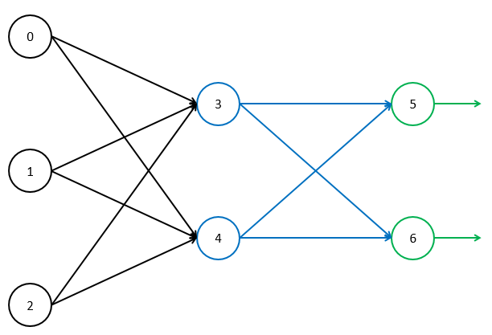
Learning Rate | 0.1
Momentum | 0
Bias Value | 1

Epoch | Temperature | Humidity | Windy | Play | Node |  |  |  |  |  |  |  |  |  |  |  |  |  |  |  |  |  |  |  |  |  |  |  |  |  |  |  | Weight
 |  |  |  |  | Input |  |  |  |  |  |  | output |  |  |  |  |  |  | target |  |  |  |  |  |  | error |  |  |  |  |  |  | Initial |  |  |  |  |  |  |  |  |  |  |  |  |  |  |  |  | Delta |  |  |  |  |  |  |  |  |  |  |  |  |  |  |  |  | Final
 |  |  |  |  | 0 | 1 | 2 | 3 | 4 | 5 | 6 | 0 | 1 | 2 | 3 | 4 | 5 | 6 | 0 | 1 | 2 | 3 | 4 | 5 | 6 | 0 | 1 | 2 | 3 | 4 | 5 | 6 | 03 | 04 | 13 | 14 | 23 | 24 | 35 | 36 | 45 | 46 | b0 | b1 | b2 | b3 | b4 | b5 | b6 | 03 | 04 | 13 | 14 | 23 | 24 | 35 | 36 | 45 | 46 | b0 | b1 | b2 | b3 | b4 | b5 | b6 | 03 | 04 | 13 | 14 | 23 | 24 | 35 | 36 | 45 | 46 | b0 | b1 | b2 | b3 | b4 | b5 | b6
1 | 85 | 85 | 1 | 1 |  |  |  | 0 | 0 | 0 | 0 | 85 | 85 | 1 | 0.5 | 0.5 | 0.5 | 0.5 |  |  |  |  |  | 0 | 1 | 0 | 0 | 0 | 0 | 0 | -0.125 | 0.125 | 0 | 0 | 0 | 0 | 0 | 0 | 0 | 0 | 0 | 0 | 0 | 0 | 0 | 0 | 0 | 0 | 0 | 0 | 0 | 0 | 0 | 0 | 0 | -0.00625 | 0.00625 | -0.00625 | 0.00625 |  |  |  | 0 | 0 | -0.0125 | 0.0125 | 0 | 0 | 0 | 0 | 0 | 0 | -0.00625 | 0.00625 | -0.00625 | 0.00625 | 0 | 0 | 0 | 0 | 0 | -0.0125 | 0.0125
 | 80 | 90 | 0 | 1 |  |  |  | 0 | 0 | -0.01875 | 0.01875 | 80 | 90 | 0 | 0.5 | 0.5 | 0.49531263732 | 0.50468736268 |  |  |  |  |  | 0 | 1 | 0 | 0 | 0 | 0.00038692898948 | 0.00038692898948 | -0.12381727663 | 0.12381727663 | 0 | 0 | 0 | 0 | 0 | 0 | -0.00625 | 0.00625 | -0.00625 | 0.00625 | 0 | 0 | 0 | 0 | 0 | -0.0125 | 0.0125 | 0.0030954319159 | 0.0030954319159 | 0.0034823609053 | 0.0034823609053 | 0 | 0 | -0.0061908638317 | 0.0061908638317 | -0.0061908638317 | 0.0061908638317 | 0 | 0 | 0 | 3.8692898948E-05 | 3.8692898948E-05 | -0.012381727663 | 0.012381727663 | 0.0030954319159 | 0.0030954319159 | 0.0034823609053 | 0.0034823609053 | 0 | 0 | -0.012440863832 | 0.012440863832 | -0.012440863832 | 0.012440863832 | 0 | 0 | 0 | 3.8692898948E-05 | 3.8692898948E-05 | -0.024881727663 | 0.024881727663
 | 83 | 86 | 1 | 0 |  |  |  | 0.55644257977 | 0.55644257977 | -0.040697275909 | 0.040697275909 | 83 | 86 | 1 | 0.635629023 | 0.635629023 | 0.48982708507 | 0.51017291493 |  |  |  |  |  | 1 | 0 | 0.030956283635 | 0.037404751329 | 0 | -0.00073469252405 | -0.00073469252405 | 0.12749043186 | -0.12749043186 | 0.0030954319159 | 0.0030954319159 | 0.0034823609053 | 0.0034823609053 | 0 | 0 | -0.012440863832 | 0.012440863832 | -0.012440863832 | 0.012440863832 | 0 | 0 | 0 | 3.8692898948E-05 | 3.8692898948E-05 | -0.024881727663 | 0.024881727663 | -0.0060979479496 | -0.0060979479496 | -0.0063183557069 | -0.0063183557069 | -7.3469252405E-05 | -7.3469252405E-05 | 0.0081036618643 | -0.0081036618643 | 0.0081036618643 | -0.0081036618643 | 0 | 0 | -0.0012440863832 | -7.3469252405E-05 | -7.3469252405E-05 | 0.012749043186 | -0.012749043186 | -0.0030025160338 | -0.0030025160338 | -0.0028359948015 | -0.0028359948015 | -7.3469252405E-05 | -7.3469252405E-05 | -0.0043372019675 | 0.0043372019675 | -0.0043372019675 | 0.0043372019675 | 0 | 0 | -0.0012440863832 | -3.4776353457E-05 | -3.4776353457E-05 | -0.012132684478 | 0.012132684478
 | 70 | 96 | 1 | 0 |  |  |  | -0.48253986892 | -0.48253986892 | -0.015443292875 | 0.015443292875 | 70 | 96 | 1 | 0.38165255181 | 0.38165255181 | 0.49613925351 | 0.50386074649 |  |  |  |  |  | 1 | 0 | -0.0074787236763 | -0.013338140565 | 0 | -0.00025784874713 | -0.00025784874713 | 0.12595767639 | -0.12595767639 | -0.0030025160338 | -0.0030025160338 | -0.0028359948015 | -0.0028359948015 | -7.3469252405E-05 | -7.3469252405E-05 | -0.0043372019675 | 0.0043372019675 | -0.0043372019675 | 0.0043372019675 | 0 | 0 | -0.0012440863832 | -3.4776353457E-05 | -3.4776353457E-05 | -0.012132684478 | 0.012132684478 | -0.0018049412299 | -0.0018049412299 | -0.0024753479725 | -0.0024753479725 | -2.5784874713E-05 | -2.5784874713E-05 | 0.0048072068615 | -0.0048072068615 | 0.0048072068615 | -0.0048072068615 | 0 | 0 | -0.00043372019675 | -2.5784874713E-05 | -2.5784874713E-05 | 0.012595767639 | -0.012595767639 | -0.0048074572637 | -0.0048074572637 | -0.005311342774 | -0.005311342774 | -9.9254127118E-05 | -9.9254127118E-05 | 0.00047000489409 | -0.00047000489409 | 0.00047000489409 | -0.00047000489409 | 0 | 0 | -0.0016778065799 | -6.056122817E-05 | -6.056122817E-05 | 0.0004630831616 | -0.0004630831616

